SCRIPT
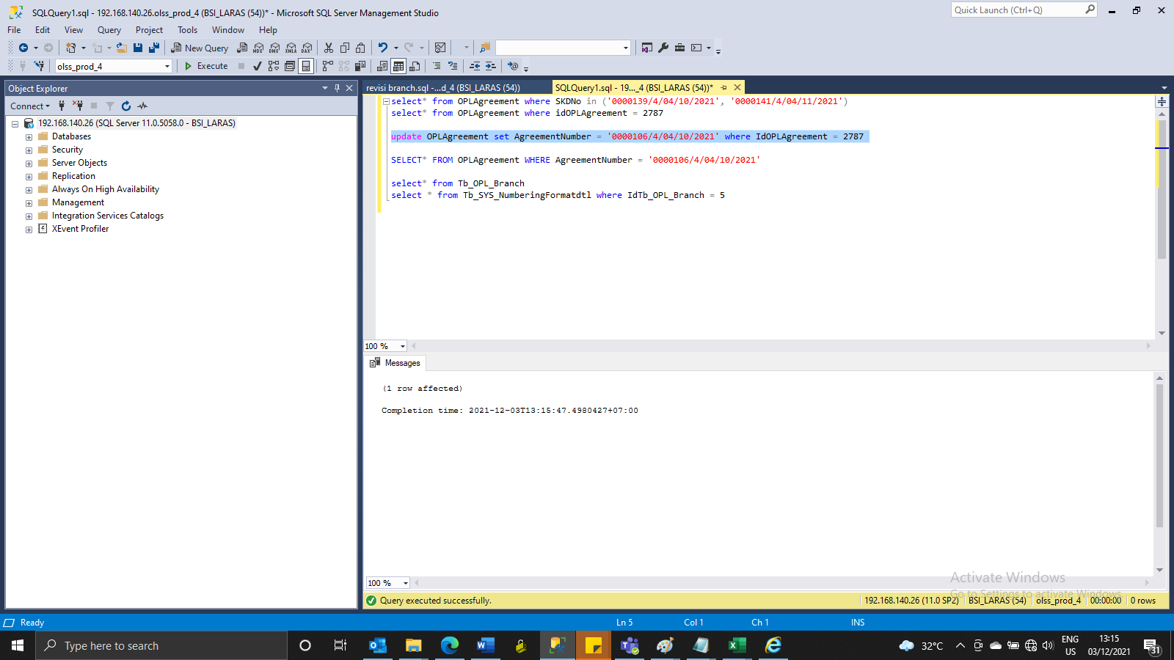
update OPLAgreement set AgreementNumber = '0000106/4/04/10/2021' where IdOPLAgreement = 2787

SS
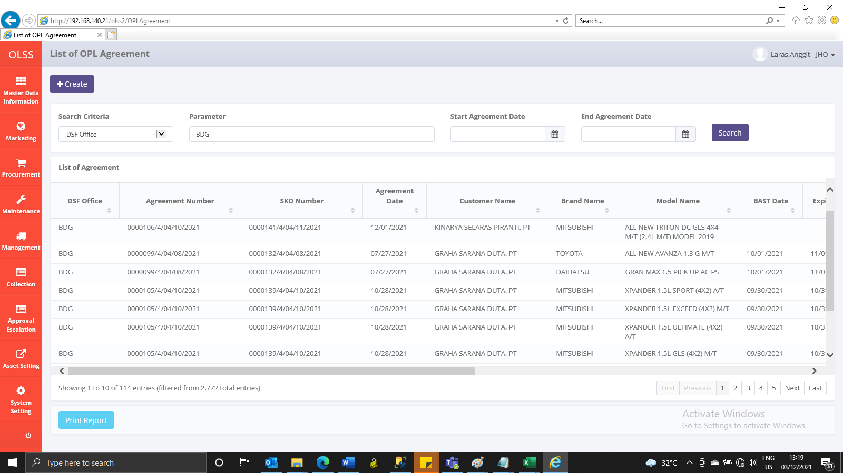
BEFORE



AFTER

